Sheet1
 |  |  |  |  |  |  |  |  | Setup Data Sheet |  |  |  |  |  |  |  | Rod End Bearing

ROD ENG
ROD ENG
ROD ENG
MACHINE : |  |  |  |  |  | PART NO : |  | REV : |  | PROCESS : |  | SETUP DATA SHEET REV. |  | PREPARED | CHECKED | APPROVED
CYCLE TIME : |  | sec |  |  |  | C/N : |  |  |  | PROGRAM NO :
CATEGORY : |  |  |  |  |  | MAT'L TYPE : |  |  |  | PROGRAM NAME :
NOTE :

REV. | ECN NO. |  | DATE |  | DESCRIPTION |  |  |  |  |  |  | REMARK |  | SAMPLE NO :

 |  |  |  |  |  |  |  |  |  |  |  |  |  | REASON OF CHANGE :

TOOLING & GRINDING CONDITION
 |  |  |  |  |  |  |  |  |  |  |  |  |  | ID GRINDING AREA
FEED POSITION DATA 2 |  |  |  |  |  | T01 | T02 |  |  | T03 | T04 |  | T05
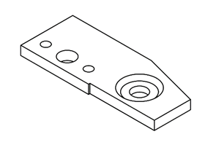
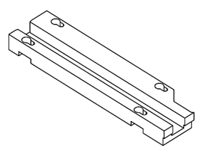
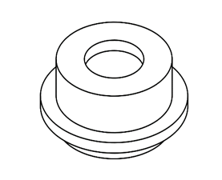
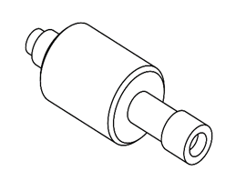
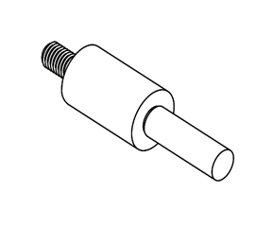
QUICK FEED |  |  |  | min-1
FAST FEED |  |  |  | min-1
SLOW FEED |  |  |  | deg/min
FEED SPEED DATA
QUICK FEED |  |  |  | µm/s
FAST FEED |  |  |  | µm/s
SLOW FEED |  |  |  | µm/s |  | Tooling No : | Tooling No : |  |  | Tooling No : | Tooling No : |  | Tooling No :
 |  |  |  |  |  | Maker : | Maker : |  |  | Maker : | Maker : |  | Maker :
 |  |  |  |  |  | T06 | T07 |  |  | T08 | T09 |  | T10
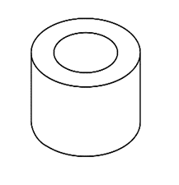
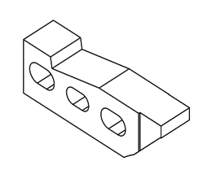
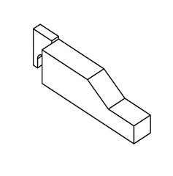

 |  |  |  |  |  | Tooling No : | Tooling No : |  |  | Tooling No : | Tooling No : |  | Tooling No :
 |  |  |  |  |  | Maker : | Maker : |  |  | Maker : | Maker : |  | Maker :

 |  |  |  |  |  |  |  |  |  |  |  |  |  | GRINDING WHEEL DETAILS
 |  |  |  |  |  |  |  |  |  |  |  |  |  | WHEEL SPEC
 |  |  |  |  |  |  |  |  |  |  |  |  |  | WHEEL SIZE
NMB Minebea Thai Ltd.

